Licensing
Carrier

 |  |  |  | Optus
 |  |  |  | Licensing | Regulator | Summary
 |  |  |  | Carrier Licence | ACMA | Allows Optus to operate its own telecommunications network infrastructure and provide services to the public.
 |  |  |  | Carriage Service Provider (CSP) Registration | ACMA | Authorises Optus to supply telecommunications services to end users, including voice, data, and internet services.
 |  |  |  | Spectrum Licence | ACMA | Grants rights to use specific radio frequency bands for mobile, satellite, and fixed wireless services.
Licensing | Who Needs It | Regulator | Summary | Apparatus Licence | ACMA | Licences individual radio transmitting equipment; ensures compliance with technical standards and interference control.
Carrier Licence | Companies operating a telecommunications network (e.g., Telstra, Optus) | ACMA | Authorises operation of network infrastructure and provision of services to the public; requires compliance with technical, operational, and reporting standards. | Numbering Allocations | ACMA | Required to allocate phone numbers to customers according to the Australian numbering plan.
Carriage Service Provider (CSP) Registration | Entities supplying services using a carrier’s network (e.g., MVNOs like Lebara, Amaysim) | ACMA | Registration to supply telecom services; must comply with consumer protection, privacy, and network rules; maintain records for audits. | Interception & Access Authorisation | ACMA / Attorney-General | Compliance with the Telecommunications (Interception and Access) Act 1979 for lawful interception by law enforcement.
Spectrum Licence | Carriers using specific frequency bands (mobile, satellite, fixed wireless) | ACMA | Grants rights to operate on a designated radio frequency; ensures efficient and interference-free spectrum use. | Industry Code Compliance | ACMA | Must adhere to ACMA-approved codes on consumer service standards, privacy, network reliability, and complaint handling.
Apparatus Licence | Carriers and service providers operating radio equipment | ACMA | Licences individual radio transmitting devices; ensures compliance with technical standards and interference control.
Class Licence | Carriers, service providers, and equipment manufacturers | ACMA | Allows operation of certain low-power devices (Wi-Fi, Bluetooth) without individual licence, under ACMA conditions.
Nominated Carrier Declaration | Certain limited-purpose networks or small carriers | ACMA | Declares an entity as a carrier without a full licence for limited purposes under the Telecommunications Act 1997.
Numbering Allocations | Carriers and CSPs | ACMA | Required to allocate phone numbers to customers; must follow numbering plan rules.
Interception & Access Authorisation | Carriers handling law enforcement requests | ACMA / Attorney-General | Compliance with Telecommunications (Interception and Access) Act 1979 for lawful interception of communications.
Industry Code Compliance | All carriers and CSPs | ACMA | Must comply with ACMA-approved codes on customer service, network reliability, privacy, and other operational standards.
Service provider

 |  |  |  | Lebara
 |  |  |  | Licensing | Regulator | Summary
 |  |  |  | Carriage Service Provider (CSP) Registration | ACMA | Authorises Lebara to supply telecommunications services (voice, data, and internet) to customers using another carrier’s network (MVNO model).
 |  |  |  | Numbering Allocations | ACMA | Required to allocate phone numbers to customers according to the Australian numbering plan.
 |  |  |  | Industry Code Compliance | ACMA | Must comply with ACMA-approved codes on customer service, privacy, network reliability, and complaint handling.
 |  |  |  | Interception & Access Authorisation | ACMA / Attorney-General | Compliance with the Telecommunications (Interception and Access) Act 1979 if handling lawful interception requests.

Reg-Dereg
OPTUS |  | LEBARA
Regulation | Deregulation | Regulation | Deregulation
Must comply with the Telecommunications Act 1997, requiring carrier licences, network unit registration, and compliance with ACMA standards. | Greater operational freedom to invest in innovative technologies without rigid government-imposed licensing frameworks. | As an MVNO (Mobile Virtual Network Operator), Lebara must comply with the Telecommunications Act 1997, including service provider obligations and consumer protection rules. | Deregulation could reduce licensing and compliance requirements, lowering entry barriers and enabling Lebara to expand service offerings more flexibly.
VS
Consumer safeguards (e.g., minimum service standards, data retention obligations, lawful interception requirements) add compliance costs and complexity. | Lower compliance burden, allowing Optus to reduce overhead costs and allocate resources to expanding infrastructure and services. | Required to meet Telecommunications (Consumer Protection and Service Standards) Act 1999 obligations, including fair billing, dispute resolution, and customer care standards. | With fewer consumer safeguard requirements, Lebara could streamline operations, cut compliance costs, and focus more on pricing strategies.
Government regulation on spectrum allocation limits how Optus uses finite spectrum, requiring competitive auctions that can be expensive. | Flexible spectrum management would allow Optus to acquire and use spectrum more efficiently, enabling faster rollout of 5G and beyond. | Must comply with privacy and data retention laws, including lawful interception obligations, which add costs despite being a reseller rather than a full network operator. | Deregulation could relax data retention and interception obligations, lowering costs and administrative burdens, though at the risk of reduced customer trust.
Regulated infrastructure sharing obligations (e.g., access to NBN or mobile towers) can restrict Optus’s competitive advantage. | Without mandated sharing, Optus could leverage its infrastructure investments exclusively, potentially boosting profitability and market share. | Dependent on wholesale access agreements with carriers (Optus in Australia), which are subject to ACCC regulation on fair competition and infrastructure sharing. | With less regulatory intervention, Lebara might negotiate more competitive or flexible wholesale agreements, but risks being disadvantaged if major carriers set unfavourable terms.
Strict regulation ensures consumer protection, privacy, and fair competition, fostering trust but slowing down rollout due to approvals. | Deregulation accelerates network rollout and allows Optus to respond quickly to market demand, but may risk consumer protections being weakened. | Regulation provides market fairness by preventing dominant carriers from overcharging MVNOs for wholesale access. | Deregulation could create a less balanced market where large carriers hold stronger bargaining power, potentially squeezing out smaller MVNOs like Lebara.
Government-set rules on universal service obligations (USO) require contributions to ensure rural and regional connectivity. | If deregulated, Optus could prioritise high-demand urban markets without mandatory investment in less profitable regional areas. | Obligations to contribute to consumer safeguards (such as complaint handling via the Telecommunications Industry Ombudsman) ensure credibility but add compliance overhead. | Without these obligations, Lebara could reduce operational costs and offer cheaper plans, but might face reputational damage if consumer issues escalate.
Heavy oversight in cyber security compliance under acts like the Security of Critical Infrastructure Act limits flexibility in design. | Deregulation may allow Optus to adopt lighter, cost-efficient security practices, but risks increased vulnerability to cyberattacks. | Heavily regulated advertising and transparency rules restrict how Lebara markets plans (e.g., must clearly disclose data limits, speeds, and inclusions). | Deregulation would allow more aggressive marketing, but could increase the risk of misleading advertising and consumer dissatisfaction.

Accessibility
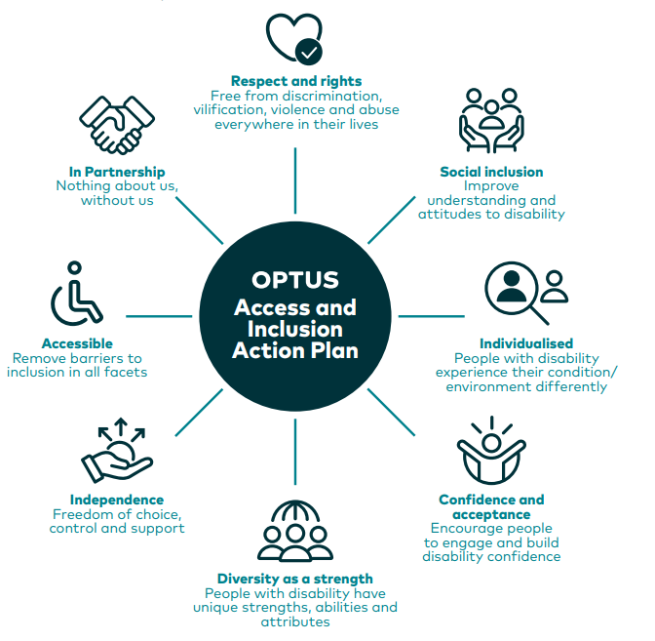
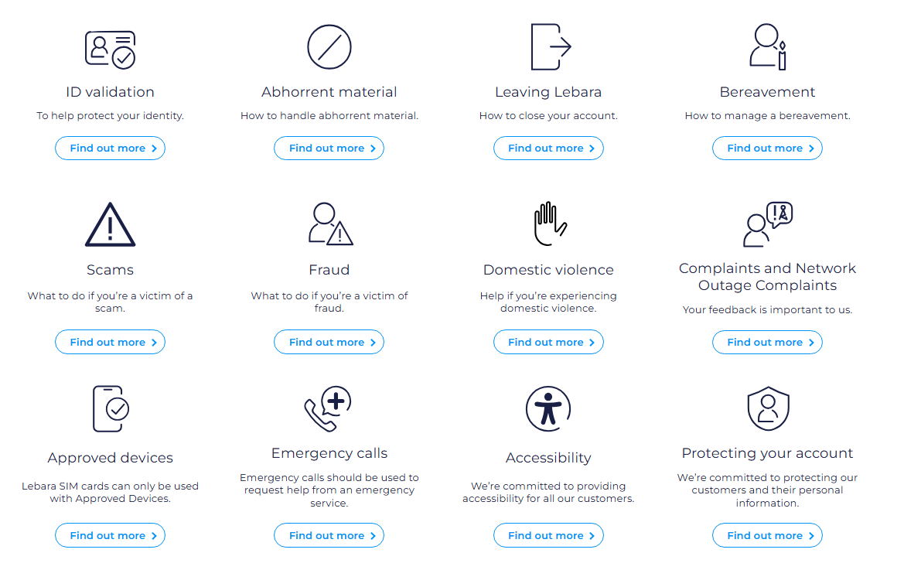



HELPS
PLAN

Accessibility

USO
 |  |  | Policies and Procedures
 |  |  | USO Policy | Summary
 |  |  | Service Provision Policy | Policy that every Australian, regardless of location, is entitled to request a Standard Telephone Service (STS). Procedures outline how Telstra must handle service requests and assess feasibility.
 |  |  | Connection and Installation Procedures | Sets out timelines and processes for connecting new services. Includes different benchmarks for urban, rural, and remote areas, ensuring customers know when to expect service activation.
 |  |  | Fault Repair and Maintenance Procedures | Establishes maximum timeframes for fixing faults (faster in cities, longer in remote areas). Includes escalation processes for serious outages affecting communities.
 |  |  | Payphone Policy | Procedures for installation, removal, and maintenance of payphones. Requires community consultation before removing a payphone.
 |  |  | Accessibility Policy | Policies to ensure people with disability have equivalent access. Procedures include providing TTY devices, captioned telephony, or other assistive technologies.
 |  |  | Emergency Access Procedure | Ensures access to Triple Zero (000) is always available. Includes contingency procedures for power outages, network failures, or natural disasters.
 |  |  | Consumer Safeguards Policy | Requires clear service information, complaint handling, and dispute resolution through the Telecommunications Industry Ombudsman (TIO).
 |  |  | Funding and Subsidy Procedures | Outlines how Telstra receives government funding to cover non-commercially viable services under the USO. Procedures ensure accountability and reporting of expenditure.
 |  |  | Monitoring and Compliance Procedures | Telstra must provide reports on USO performance (e.g., connection times, repair times). Government monitors compliance via audits and performance reviews.
 |  |  | Review and Reform Policy | Procedures for periodic review of the USO by government to ensure it remains relevant (e.g., shift from fixed-line voice to broadband).
IMPLEMENTATION

FINANCING
Planning Obligation
 | Planning Obligation | Summary |  |  | Telstra | USO FINANCING
 | Nationwide Coverage Planning | Telstra must plan to deliver the Standard Telephone Service (STS) and payphones in all parts of Australia, including urban, rural, and remote areas, regardless of commercial viability. |  |  | Budget | Summary
 | Infrastructure Planning | Must maintain and plan investment in exchanges, copper lines, satellite, and other infrastructure needed to deliver voice services in underserved areas. |  |  | Main Mechanism | The Government enters into contracts with Telstra (currently the Telstra Universal Service Obligation Performance Agreement – TUSOPA). This contract ensures the provision of fixed-line voice services and public payphones nationwide.
 | Forecasting Demand | Obligation to anticipate community demand for STS and payphones, including demographic changes (e.g., growth in regional towns, ageing population). |  |  | Funding Amount | Telstra receives approxily AUD 270 million per year to fulfil the USO.
 | Payphone Deployment Planning | Requires assessment of where payphones should be installed, maintained, or removed based on community needs and consultation. |  |  | Source of Funds | - Part comes directly from the Federal Budget.- Another part is raised via the Telecommunications Industry Levy (TIL), which requires major telecom operators (e.g., Optus, TPG, Vodafone) to contribute, as they also benefit from the national market.
 | Fault Repair & Service Continuity | Planning must ensure adequate workforce, spare parts, and logistics to meet required connection and repair timeframes, including in remote and hard-to-reach areas. |  |  | Use of Funding | - Maintain the copper and satellite networks used for the Standard Telephone Service (STS).- Operation and maintenance of payphones.- Serve customers in rural and remote areas, where service is not commercially viable.
 | Accessibility Planning | Must plan for technology and service options that ensure people with disability have equivalent access (e.g., TTY, captioned telephony, accessible handsets). |  |  | Oversight | Funding and Telstra’s performance is monitored by the Department of Infrastructure, Transport, Regional Development, Communications and the Arts. Telstra must provide annual compliance and expenditure reports.
 | Emergency Access Planning | Obliged to ensure that Triple Zero (000) calls are always available, including during outages, power failures, and in remote coverage areas. |  |  | Contract Duration | The most recent agreement was established in 2012 and runs for 20 years (until 2032), subject to periodic reviews.
 | Financial & Funding Planning | Planning must incorporate government funding mechanisms (Telstra receives subsidies for non-commercial areas) to sustain service delivery. |  |  | Criticisms | - Primarily funds fixed-line voice services, which many Australians no longer use as their main service.- There is pressure to reform the scheme and redirect funding towards broadband and mobile services.
 | Regulatory Reporting | Must plan for annual performance reporting and compliance checks with the Department of Infrastructure and Communications.
 | Transition & Modernisation Planning | Required to consider future changes in technology and policy direction, such as the shift towards broadband-based universal service models. | USO and Telstra
 |  |  | Telstra comply with | How do it?
 |  |  | Service Provision | Provides the Standard Telephone Service (STS) to all Australians, including remote and rural areas, upon request — even where it’s not commercially viable.
 |  |  | Payphone Access | Installs, operates, and maintains public payphones in locations where communities need them. Consults with communities before removing payphones.
 |  |  | Connection Timeframes | Meets contractual timeframes for connecting new voice services. Urban customers get faster connection commitments; rural and remote areas have longer but defined maximum timeframes.
 |  |  | Fault Repair | Complies with set deadlines to repair faults, which vary depending on geography (e.g., 1–2 business days in urban areas, longer in remote). Reports performance against these benchmarks to government.
 |  |  | Accessibility | Provides alternative services for people with disabilities, such as TTY (teletypewriter), captioned telephony, and other assistive communication technologies.
 |  |  | Emergency Access | Ensures every standard telephone service can reach Triple Zero (000). Maintains redundancy and backup systems for emergencies and natural disasters.
 |  |  | Funding Compliance | Receives government subsidies under contractual agreements. Reports transparently on how funds are used to deliver USO services in uneconomic areas.
 |  |  | Consumer Safeguards | Complies with complaint handling and dispute resolution through the Telecommunications Industry Ombudsman (TIO). Provides clear information to customers about services, availability, and rights.
 |  |  | Monitoring & Reporting | Provides regular performance reports to the Department of Infrastructure, Transport, Regional Development, Communications and the Arts. Subject to audits and compliance reviews.
 |  |  | Community Engagement | Works with communities, especially in rural and remote areas, to assess needs for STS and payphones. Engages in consultation before service changes.

CURRENT-ECO
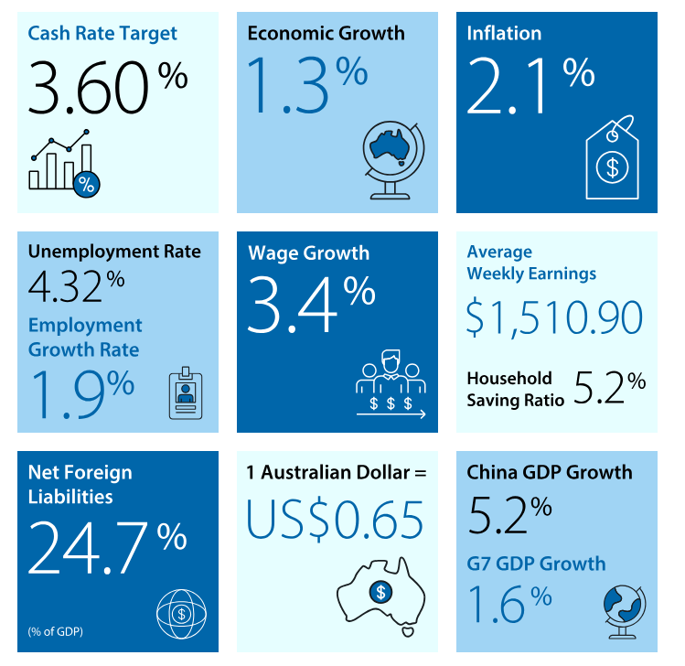
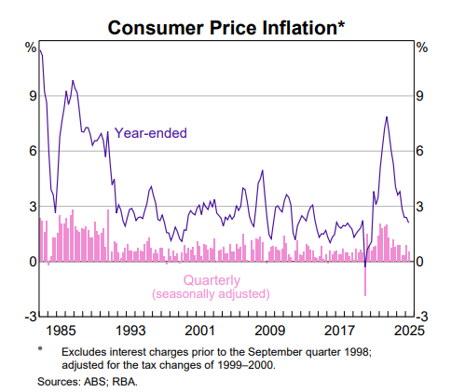
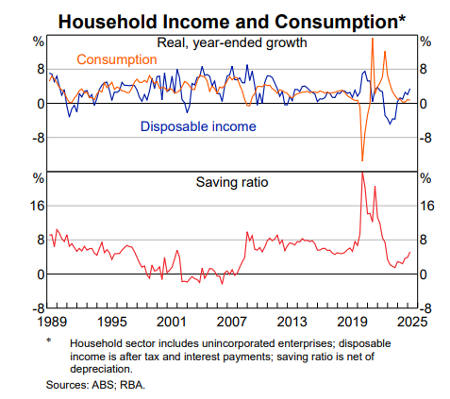
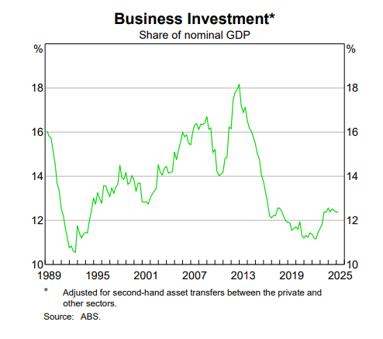
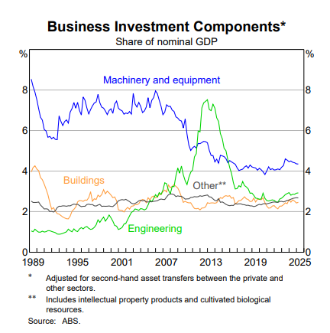
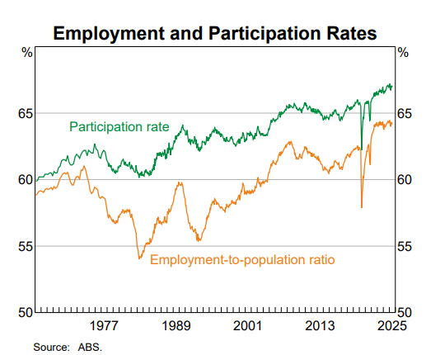
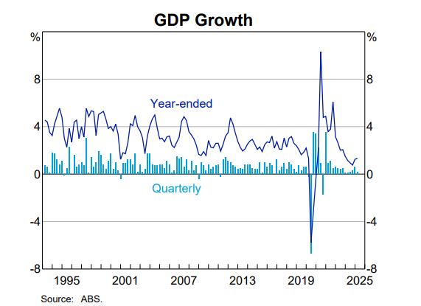
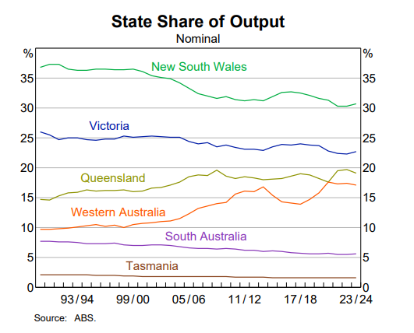
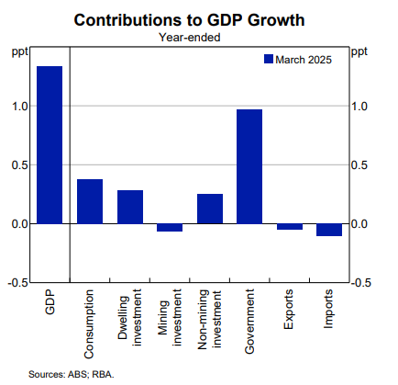
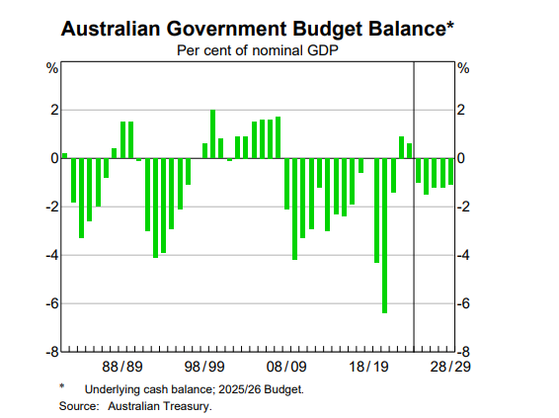
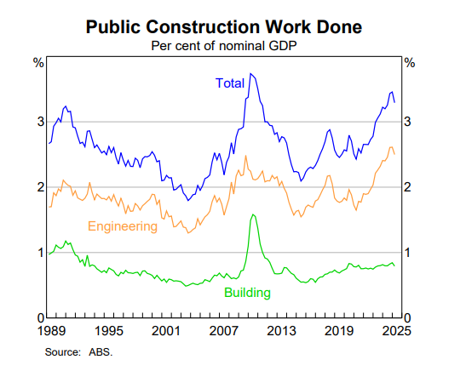

 | Australian current economic conditions - Ago 30 - 2025 Australia’s economy in the March quarter 2025 recorded modest growth, with real GDP up just 0.2% for the quarter (1.3% annually), weighed down by severe weather events and the strongest detraction from public sector activity since 2017. Private demand supported the economy through rising household consumption (+0.4%) and private investment (+0.7%), while public investment (-2.0%) and weaker net trade (exports -0.8%) detracted from growth. Prices continued to rise, with nominal GDP up 1.4% and the implicit price deflator rising 1.2%, reflecting higher labour costs and strong increases in services such as health, education, rent, and energy. Export and import prices both rose (led by iron ore and rural goods on the export side), leaving the terms of trade only marginally higher (+0.1%). Mining output fell sharply due to cyclones, while non-mining industries such as construction, information media and telecommunications provided positive contributions. Compensation of employees grew 1.5% amid a still-tight labour market (unemployment around 4.1%), lifting household disposable income and pushing the household saving ratio up to 5.2% from 3.9%. Overall, growth momentum remains fragile, underpinned by household spending resilience but offset by weak trade and subdued public sector demand.

 |  | SUPPORTS
 |  | · Household consumption (+0.4%), particularly essential spending on electricity, gas and food, as well as recreation and culture.

 |  | · Private investment (+0.7%), driven by dwelling investment (+2.6%) and non-dwelling construction (+1.3%), especially in mining and electricity projects.

 |  | · Changes in inventories (+0.1ppt), with build-ups in mining, manufacturing (gold, steel, alumina), and some public authorities.

factors
 |  | · Non-mining industries: Construction, Information Media & Telecommunications (+2.1%), and Administrative & Support Services (+1.9%).

Key economic indicators
 |  | · Agriculture, Forestry & Fishing (+4.3%), supported by strong livestock demand from overseas markets.

 |  | · Compensation of employees (+1.5%), with wage growth across private and public sectors, boosting household incomes.

 |  | · Household saving ratio rose to 5.2%, reflecting stronger disposable income relative to consumption.


 |  | DETRACTED
 |  | Public sector activity: public investment (–2.0%) detracted 0.1ppt, with major projects delayed or completed, and government consumption flat.
 |  | Net trade (–0.1ppt), with exports down (–0.8%) more than imports (–0.4%); services exports fell 3.0% (lower student arrivals, weaker spending), and coal/LNG exports declined.
(March quarter 2025) |  | Mining output (–2.0%), with severe weather events disrupting production and exports of coal, iron ore, and oil & gas.
 |  | Weather impacts more broadly, which reduced tourism, shipping, and crop planting.
Real GDP growth (q/q): +0.2% |  | Weak discretionary household spending (+0.3%), softer after a strong December 2024 quarter.
Real GDP growth (y/y): +1.3% |  | Falling public sector contributions after nine consecutive quarters of government consumption growth.
Nominal GDP growth (q/q): +1.4%
Terms of trade: +0.1%
Household saving ratio: 5.2% (up from 3.9%)
Household consumption: +0.4%
Private investment: +0.7%
statistics graphs
Public investment: –2.0%
Exports: –0.8%
Imports: –0.4%
Compensation of employees: +1.5%
Unemployment rate: ~4.1%

